Sheet1
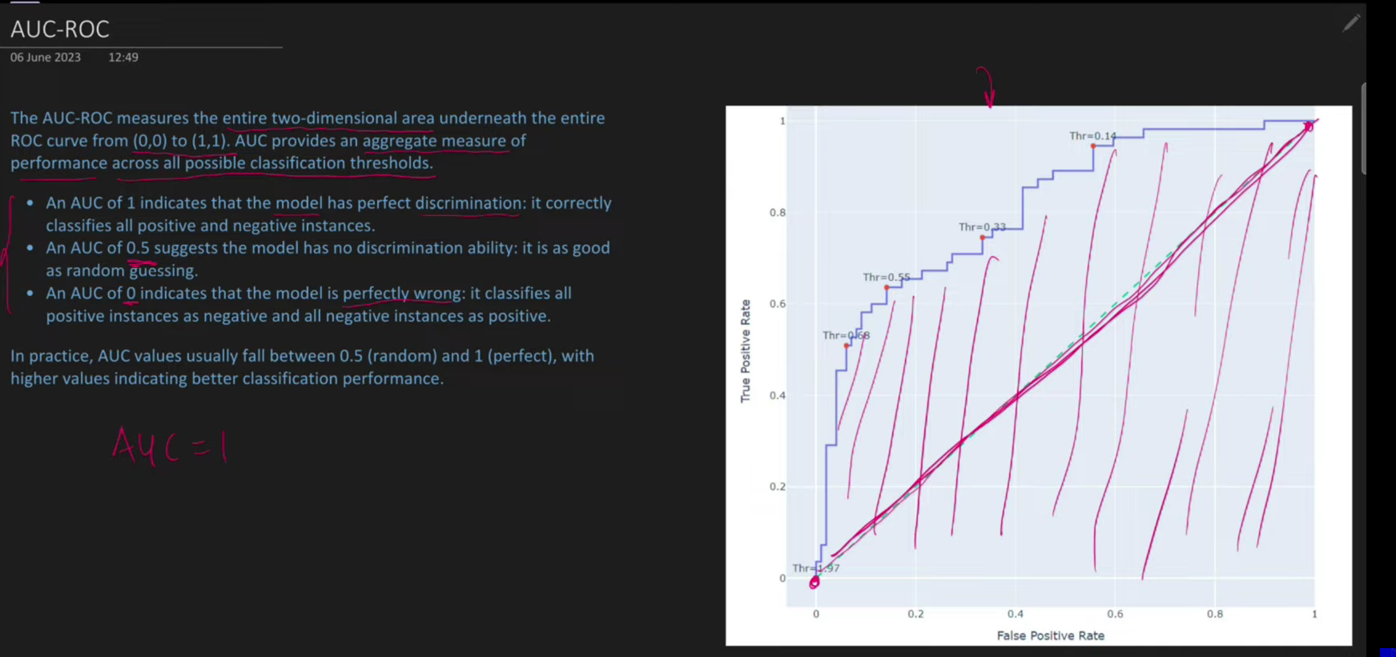
Q | WHY ROC CURVE? |  | Reciver Operator Charactersitic(graph between TPR AND FPR IS CALLED ROC CURVE) |  |  |  | also we can say it’s a graph between benefit and cost
Ans | To make an educated decision about Threshold selection |  |  | related to classification problem
 |  |  |  |  |  |  |  |  |  | Indentation refers to the block of code
 |  |  |  |  |  |  |  |  |  | Variables name in python starts with underscore or lettter only,u can use numbers in between the variables
 |  |  | Supervised machine learning |  |  |  |  |  |  | Variables are case sensitive
 |  |  |  |  |  |  |  |  |  | Name="Nitin"
 |  | Regression |  |  | Classification |  |  |  |  | name="Nikhil"
 |  | The ouput of datasaet |  |  | The output of dataset is categorical
 |  | is numerical |  |  |  | Placement |  |  |  | Dynamic typic: Type of variable is determined at the run time
 |  |  |  |  |  | yes
 |  |  |  |  |  | no
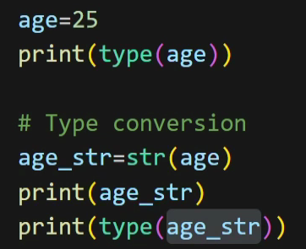
 | ROC CURVE IS MUCH MORE RELATED TO BINARY CLASSIFICATION PROBLEM |  |  |  |  |  |  | (e.g. email spam or not,heart disease present or not)

 | Lets understand threshold selection

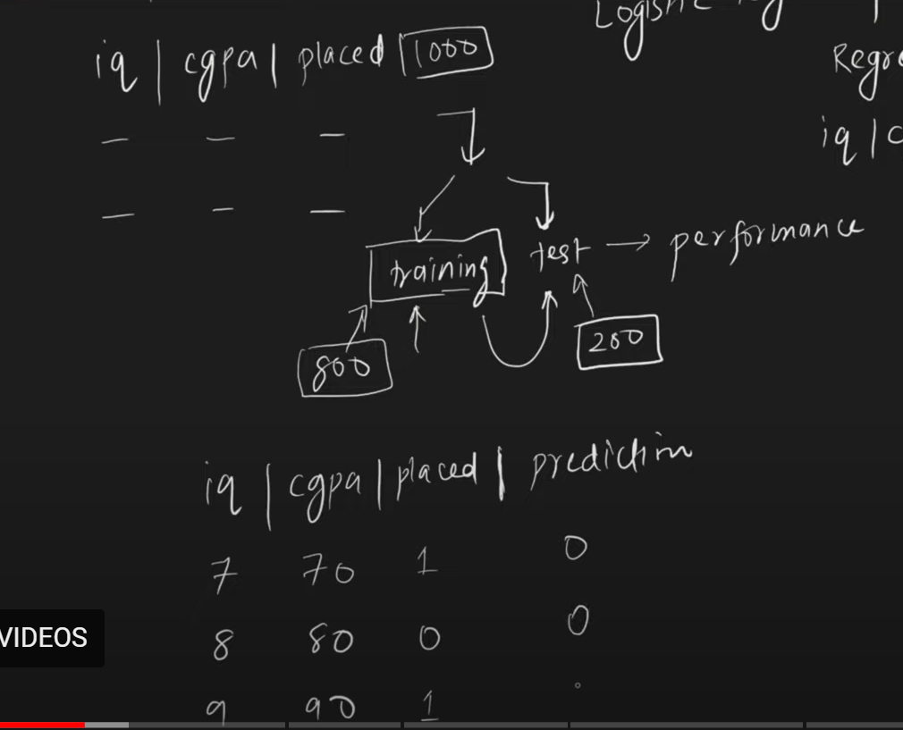

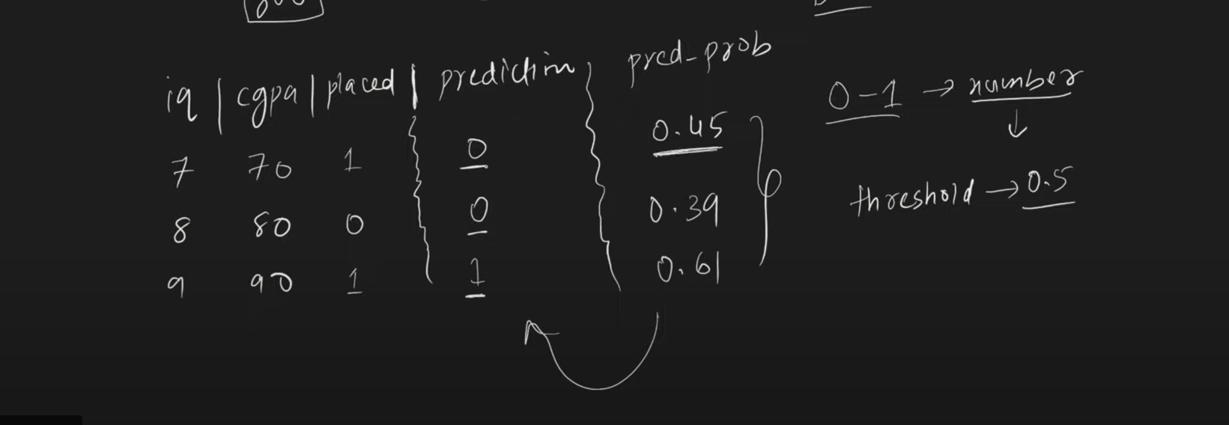

 |  |  |  |  |  |  |  |  |  |  |  |  |  |  | Classification models gives predicted probability , and as a data scientist your work is to convert these predicted probabilities into on the basis of threshold

 |  |  |  |  |  |  |  |  |  |  |  |  |  |  | probability < threshold = 0
 |  |  |  |  |  |  |  |  |  |  |  |  |  |  | probability > threshold=1

 |  |  |  |  |  |  |  |  |  |  |  |  |  |  | But always this 0.5 threshold is not always correct

 |  |  |  | WHY 0.5 IS INCORRECT?

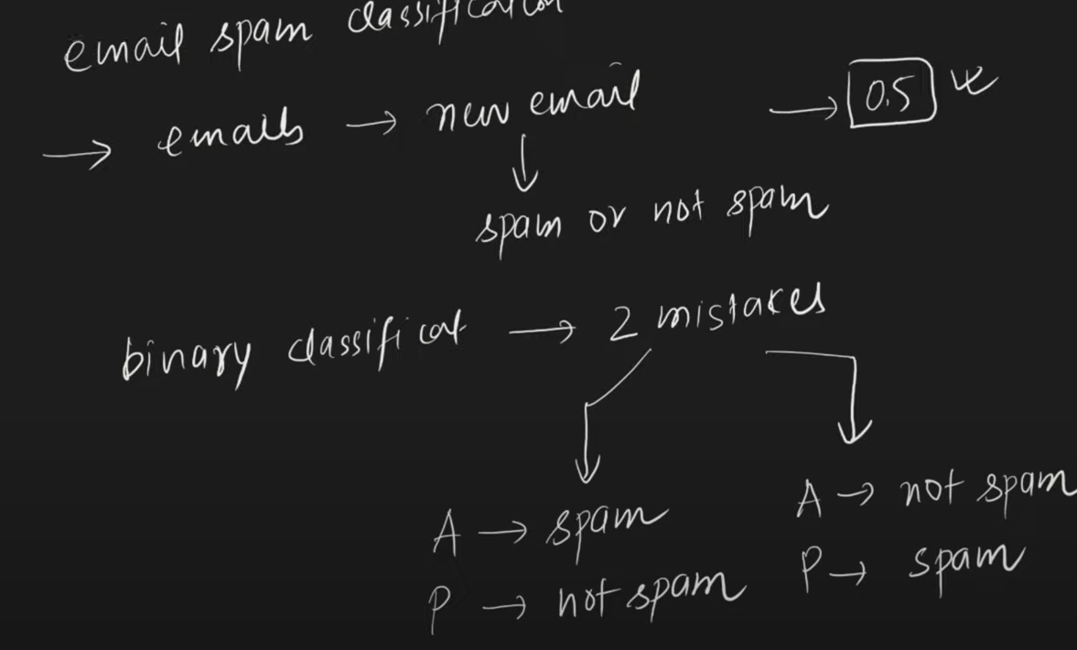

 |  |  |  | 2 MISTAKE IS MUCH MORE DANGEORUS THAN FIRST ONE

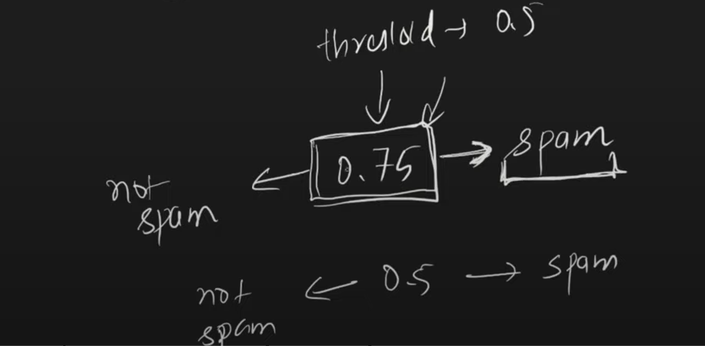

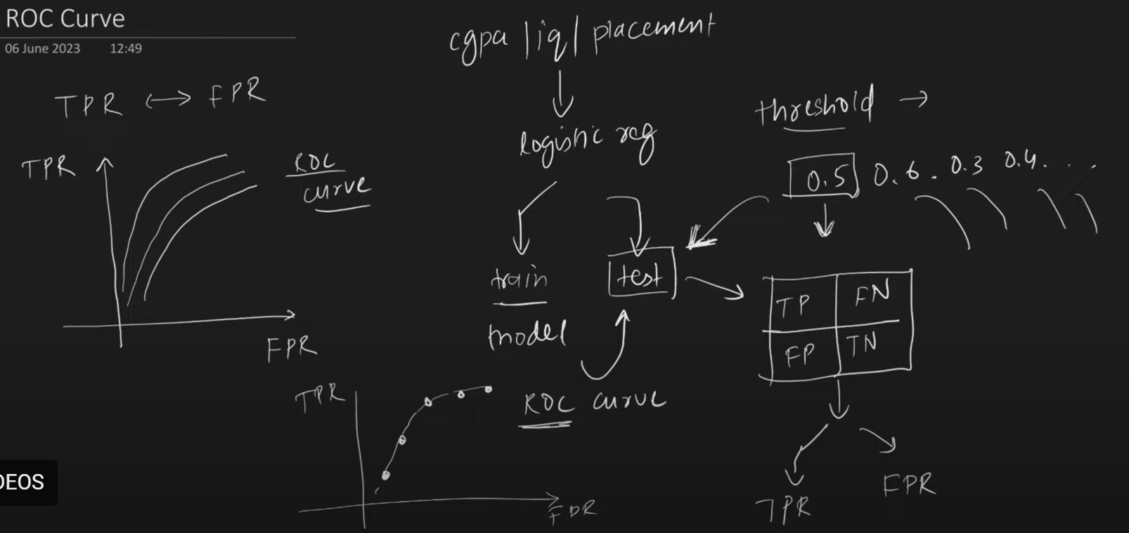

 |  |  |  |  |  |  |  |  |  |  |  |  |  | for every threshold value we get s different confusion matrix

 |  |  |  |  |  |  |  |  |  |  |  |  |  | and u calculate TPR and FPR for every threshold value

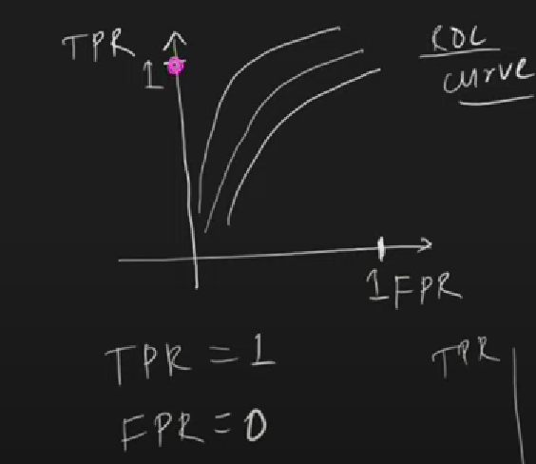
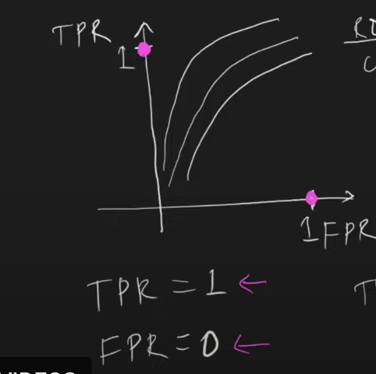

 |  |  |  |  |  |  |  |  |  |  |  |  | Best and worst scenarios

 |  |  |  |  |  |  |  | The point which comes nearer to TPR=1, and FPR=0 ,U CHOOSE THAT POINT

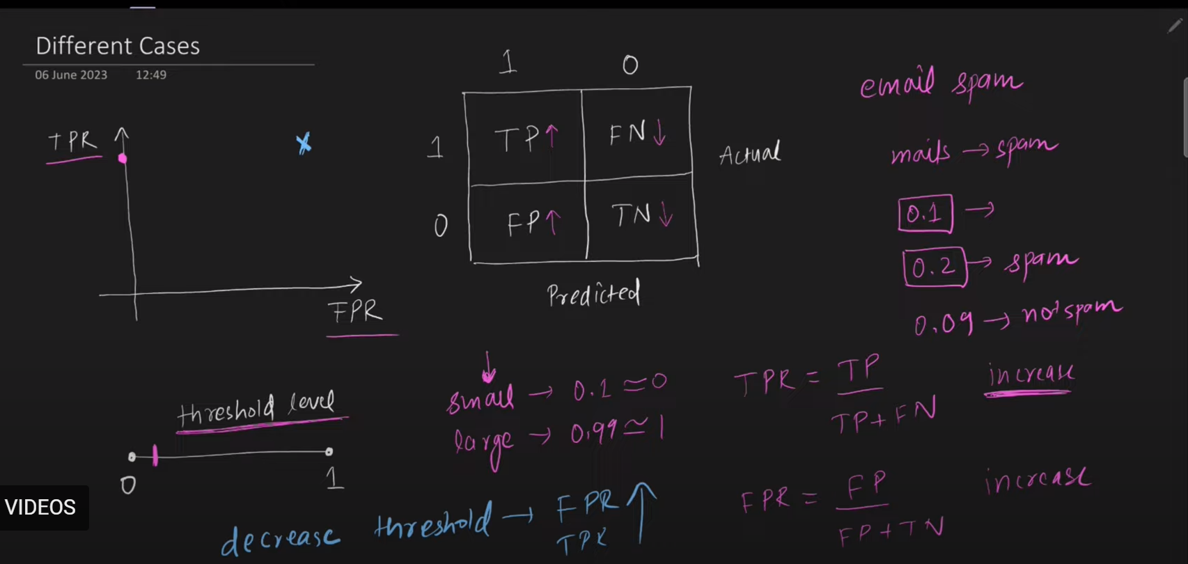

 | best scenario

 |  |  | lets say threshold is 0.1 ,it means all mail are spam whose probability is greater than 0.1
 |  |  | for a very low value of threshold,both TPR and FPR increases |  |  |  |  |  |  |  | here we take threshold value=0.1 , it means your model tells too many emails aree spam
 |  |  |  |  |  |  |  |  |  |  |  | >0.1 only spam

 |  |  | Large Threshold=0.99 approx to 1 |  |  |  |  |  |  |  | when threshold level is 0.9,>0.9 is only spam

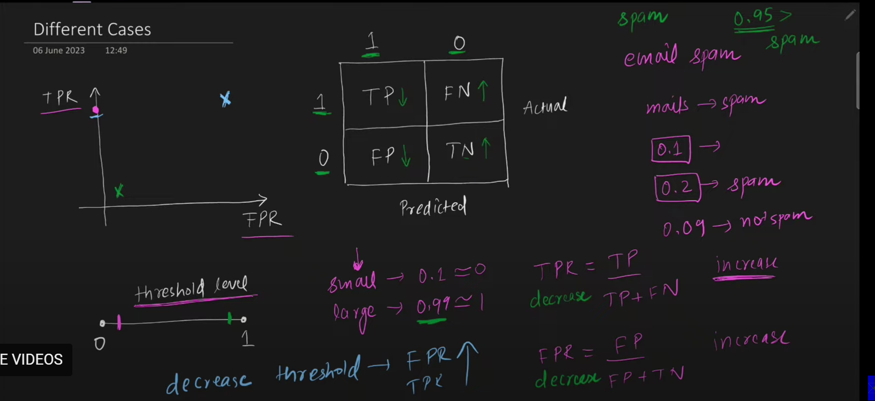

 |  |  |  |  |  |  |  |  | in this case both FPR AND TPR DECREASES

 |  |  |  |  |  |  |  |  |  |  |  | Relationship Between FPR AND TPR IS NOT LINEAR

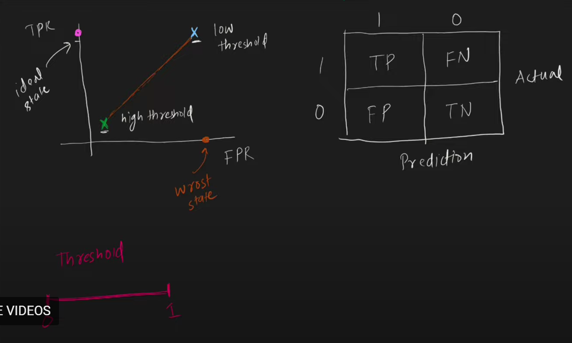

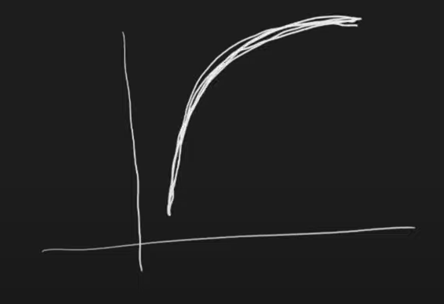

 |  |  |  |  |  |  |  |  |  |  |  |  |  |  |  | ROC CURVE WILL LOOK LIKE THIS

